STOK LIST 1
2026-05-01
 | KOD | BRAND | BRAND KOD | İNCH | PCD | ET | COLOR | CH | STOK/STOCK
 | Jİ 16 5X112 094 | TRUVA | 1017 | 7.0X16 | 5X112 | ET35 | BF | 66.6 | 0
 | Jİ 16 5X112 095 | TRUVA | 1017 | 7.0X16 | 5X112 | 35 | GMF | 66.6 | #N/A
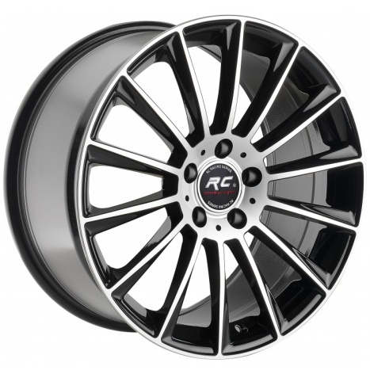
 | Jİ 17 5X112 089 | TRUVA | 1017 | 7.5X17 | 5X112 | 35 | BF | 66.6 | 8
 | Jİ 17 5X112 114 | TRUVA | 1017 | 7.5X17 | 5X112 | 35 | GMF | 66.6 | #N/A
 | Jİ 17 5X112 129 | TRUVA | 1017 | 7.5X17 | 5X112 | 35 | BLP | 66.6 | #N/A
 | Jİ 18 5X112 225 | TRUVA | 1017 | 8.0X18 | 5X112 | ET43 | BF | 66.6 | #N/A
 | Jİ 18 5X112 226 | TRUVA | 1017 | 9.0X18 | 5X112 | ET49 | BF | 66.6 | 4
 | Jİ 18 5X112 446 | TRUVA | 1017 | 9.0X18 | 5X112 | 35 | BF | 66.6 | #N/A
 | Jİ 18 5X112 308 | TRUVA | 1017 | 8.0X18 | 5X112 | 43 | BLP | 66.6 | #N/A
 | Jİ 18 5X112 387 | TRUVA | 1017 | 9.0X18 | 5X112 | 49 | BLP | 66.6 | 23
 | Jİ 18 5X112 222 | TRUVA | 1017 | 8.0X18 | 5X112 | ET43 | GMF | 66.6 | #N/A
 | Jİ 18 5X112 223 | TRUVA | 1017 | 9.0X18 | 5X112 | ET49 | GMF | 66.6 | 1
 | Jİ 18 5X112 450 | TRUVA | 1017 | 8.0X18 | 5X112 | 43 | S | 66.6 | 1
 | Jİ 19 5X112 166 | TRUVA | 1017 | 8.5X19 | 5X112 | ET38 | BF | 66.6 | 0
 | Jİ 19 5X112 167 | TRUVA | 1017 | 9.5X19 | 5X112 | ET48 | BF | 66.6 | 0
 | Jİ 19 5X112 162 | TRUVA | 1017 | 8.5X19 | 5X112 | 38 | GMF | 66.6 | #N/A
 | Jİ 19 5X112 163 | TRUVA | 1017 | 9.5X19 | 5X112 | ET48 | GMF | 66.6 | #N/A
 | Jİ 19 5X112 210 | TRUVA | 1017 | 8.5X19 | 5X112 | 43 | BLP | 66.6 | #N/A
 | Jİ 19 5X112 257 | TRUVA | 1017 | 9.5X19 | 5X112 | 48 | BLP | 66.6 | 9
 | Jİ 19 5X112 390 | TRUVA | 1017 | 8.5X19 | 5X112 | 43 | S | 66.6 | #N/A
 | Jİ 19 5X112 391 | TRUVA | 1017 | 9.5X19 | 5X112 | 48 | S | 66.6 | #N/A
 | Jİ 20 5X112 051 | TRUVA | 1017 | 8.5X20 | 5X112 | ET35 | BF | 66.6 | #N/A
 | Jİ 20 5X112 052 | TRUVA | 1017 | 9.5X20 | 5X112 | ET35 | BF | 66.6 | #N/A
 | Jİ 20 5X112 053 | TRUVA | 1017 | 8.5X20 | 5X112 | ET35 | GMF | 66.6 | #N/A
 | Jİ 20 5X112 054 | TRUVA | 1017 | 9.5X20 | 5X112 | ET35 | GMF | 66.6 | #N/A
 | Jİ 18 5X112 491 | TRUVA | 1017 | 9X18 | 5X112 | 49 | S | 66.6 | #N/A
 | Jİ 20 5X112 082 | TRUVA | 1017 | 8.5X20 | 5X112 | 38 | BLP | 66.6 | #N/A
 | Jİ 20 5X112 083 | TRUVA | 1017 | 9.5X20 | 5X112 | 48 | BLP | 66.6 | #N/A

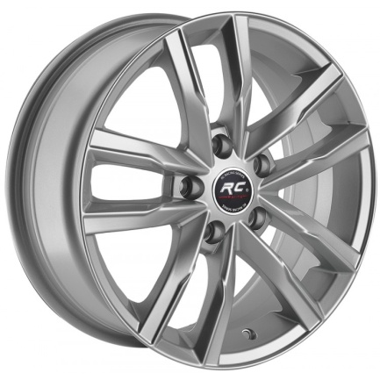 | KOD | BRAND | BRAND KOD | İNCH | PCD | ET | COLOR | CH | STOK/STOCK
 | Jİ 16 5X100 032 | TRUVA | 134 | 6.5X16 | 5X100 | ET35 | SİLVER | 57.1 | #N/A
 | Jİ 16 5X120 051 | TRUVA | 134 | 6.5X16 | 5X120 | ET35 | SİLVER | 65.1 | 0
 | Jİ 16 5X112 136 | TRUVA | 134 | 6.5X16 | 5X112 | ET35 | SİLVER | 66.45 | #N/A
 | Jİ 16 5X112 093 | TRUVA | 134 | 6.5X16 | 5X112 | 35 | SİLVER | 57.1 | 0

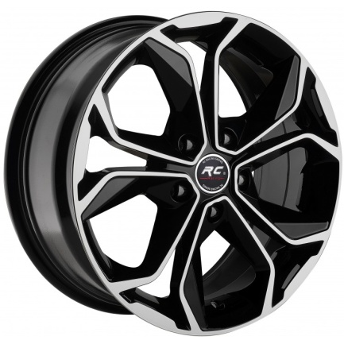 | KOD | BRAND | BRAND KOD | İNCH | PCD | ET | COLOR | CH | STOK/STOCK
 | Jİ 14 4X100 467 | TRUVA | 265 | 6.0X14 | 4x100 | 35 | BF | 67.1 | #N/A
 | Jİ 14 4X100 468 | TRUVA | 265 | 6.0X14 | 4x100 | 35 | GMF | 67.1 | #N/A
 | Jİ 15 5X114 041 | TRUVA | 165 | 6.5X15 | 5X114.3 | 35 | BF | 73.1 | 1
 | Jİ 15 5X114 046 | TRUVA | 165 | 6.5X15 | 5X114.3 | 35 | GMF | 73.1 | #N/A
 | Jİ 15 4X100 452 | TRUVA | 165 | 6.5X15 | 4X100 | 35 | BF | 67.1 | #N/A
 | Jİ 15 4X100 447 | TRUVA | 165 | 6.5X15 | 4X100 | 35 | GMF | 67.1 | #N/A
 | Jİ 16 4X100 105 | TRUVA | 135 | 6.5X16 | 4X100 | 35 | BF | 67.1 | 0
 | Jİ 16 4X100 106 | TRUVA | 135 | 6.5X16 | 4X100 | 35 | GMF | 67.1 | #N/A
 | Jİ 16 4X100 150 | TRUVA | 135 | 6.5X16 | 4X100 | 35 | S | 67.1 | #N/A
 | Jİ 16 5X114 048 | TRUVA | 135 | 6.5X16 | 5X114.3 | 35 | BF | 73.1 | 0
 | Jİ 16 5X114 125 | TRUVA | 135 | 6.5X16 | 5X114.3 | 35 | S | 73.1 | #N/A
 | Jİ 17 4X100 093 | TRUVA | 166 | 7.0X17 | 4X100 | 35 | BF | 67.1 | #N/A
 | Jİ 17 4X100 103 | TRUVA | 166 | 7.0X17 | 4X100 | 35 | GMF | 67.1 | 3
 | Jİ 17 5X114 047 | TRUVA | 166 | 7.0X17 | 5X114.3 | 35 | BF | 73.1 | 1
 | Jİ 17 5X114 046 | TRUVA | 166 | 7.0X17 | 5X114.3 | 35 | GMF | 73.1 | #N/A
 | Jİ 17 5X114 075 | TRUVA | 166 | 7.0X17 | 5X114.3 | 35 | BF | 66.1 | #N/A
 | Jİ 15 4X100 508 | TRUVA | 165 | 6.5X15 | 4X100 | 35 | BF | 60.1 | #N/A

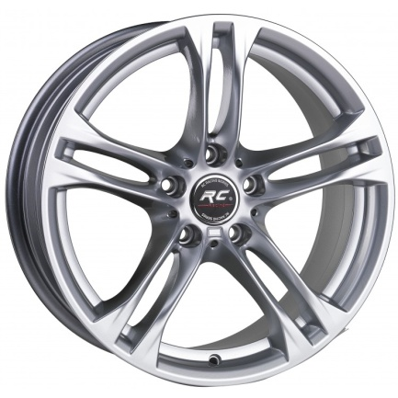 | KOD | BRAND | BRAND KOD | İNCH | PCD | ET | COLOR | CH | STOK/STOCK
 | Jİ 18 5X120 206 | TRUVA | 143 | 8.0X18 | 5X120 | 30 | BLACK | 72.6 | 2
 | Jİ 18 5X120 196 | TRUVA | 143 | 8.0X18 | 5X120 | 30 | SİLVER | 72.6 | 0
 | Jİ 18 5X120 207 | TRUVA | 144 | 9.0X18 | 5X120 | 40 | BLACK | 72.6 | #N/A
 | Jİ 18 5X120 197 | TRUVA | 144 | 9.0X18 | 5X120 | 40 | SİLVER | 72.6 | 0

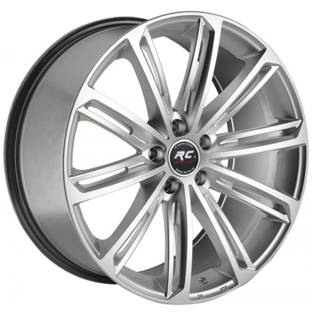 | KOD | BRAND | BRAND KOD | İNCH | PCD | ET | COLOR | CH | STOK/STOCK
 | Jİ 18 5X112 230 | TRUVA | 148 | 8.0X18 | 5X112 | 40 | SILVER | 57.1 | 0
 | Jİ 18 5X112 235 | TRUVA | 148 | 8.0X18 | 5X112 | 40 | BF | 57.1 | #N/A

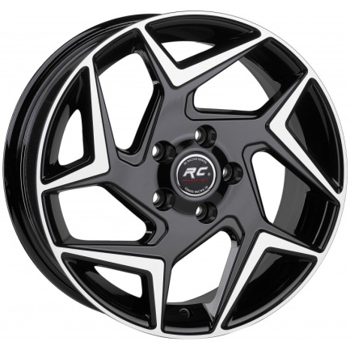 | KOD | BRAND | BRAND KOD | İNCH | PCD | ET | COLOR | CH | STOK/STOCK
 | Jİ 16 5X108 039 | TRUVA | 151 | 6.5X16 | 5X108 | 35 | BF | 63.4 | 19
 | Jİ 16 4X108 040 | TRUVA | 151 | 6.5X16 | 4X108 | 35 | BF | 63.4 | #N/A

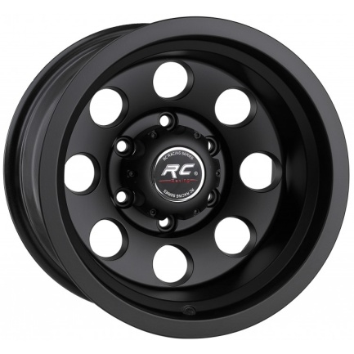 | KOD | BRAND | BRAND KOD | İNCH | PCD | ET | COLOR | CH | STOK/STOCK
 | Jİ 16 5X139 009 | TRUVA | 158 | 10X16 | 5X139.7 | -44 | MATT BLACK | 110 | 2
 | Jİ 16 6X114 001 | TRUVA | 158 | 10X16 | 6X114 | -40 | MATT BLACK | 66.1 | 40+
 | Jİ 16 6X139 026 | TRUVA | 158 | 10X16 | 6X139.7 | -44 | MATT BLACK | 110 | #N/A
 | Jİ 16 6X139 027 | TRUVA | 158 | 10X16 | 6X139.7 | -44 | MATT BLP | 110 | #N/A

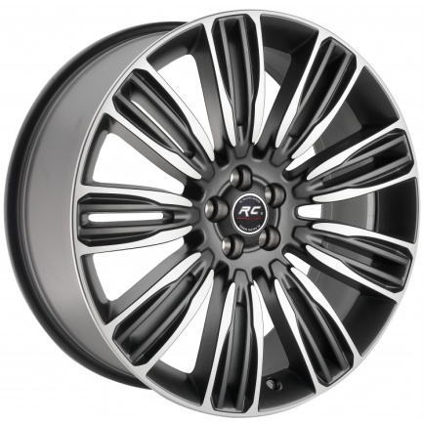 | KOD | BRAND | BRAND KOD | İNCH | PCD | ET | COLOR | CH | STOK/STOCK
 | Jİ 22 5X108 005 | TRUVA | 159 | 9.5X22 | 5X108 | 45 | GMF | 72.6 | #N/A
 | Jİ 22 5X120 013 | TRUVA | 159 | 9.5X22 | 5X120 | 45 | BF | 72.6 | 20
 | Jİ 22 5X120 010 | TRUVA | 159 | 9.5X22 | 5X120 | 45 | GMF | 72.6 | #N/A
 | Jİ 22 5X120 017 | TRUVA | 159 | 9.5X22 | 5X120 | 49 | BLACK | 72.6 | 0
 | Jİ 22 5X108 007 | TRUVA | 159 | 9.5X22 | 5X108 | 45 | BF | 63.4 | 0
 | Jİ 22 5X120 018 | TRUVA | 159 | 9.5X22 | 5X120 | 45 | BLACK | 72.6 | #N/A
 | Jİ 22 5X108 008 | TRUVA | 159 | 9.5X22 | 5X108 | 45 | BLACK | 63.4 | 0
 | Jİ 22 5X108 013 | TRUVA | 159 | 9.5X22 | 5X108 | 45 | GMF | 63.4 | 20

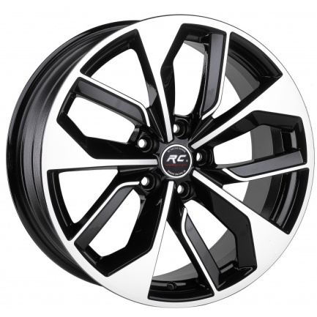 | KOD | BRAND | BRAND KOD | İNCH | PCD | ET | COLOR | CH | STOK/STOCK
 | Jİ 18 5X112 069 | TRUVA | 162 | 8.0X18 | 5X112 | 35 | BF | 66.45 | 16
 | Jİ 18 5X112 245 | TRUVA | 162 | 8.0X18 | 5X112 | 35 | GMF | 66.45 | #N/A
 | Jİ 18 5X112 464 | TRUVA | 162 | 8.0X18 | 5X112 | 40 | BF | 66.45 | #N/A
 | Jİ 18 5X112 487 | TRUVA | 162 | 8.0X18 | 5X112 | 35 | BLACK | 66.45 | 3

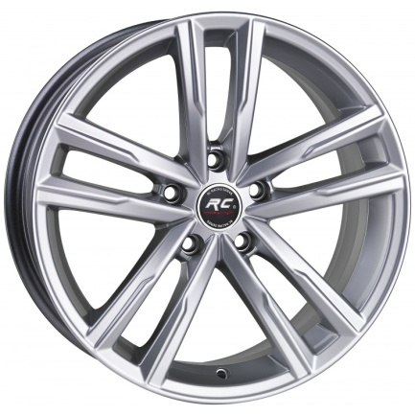 | KOD | BRAND | BRAND KOD | İNCH | PCD | ET | COLOR | CH | STOK/STOCK
 | Jİ 18 5X112 359 | TRUVA | 163 | 8.0X18 | 5X112 | 42 | BLACK | 57.1 | #N/A
 | Jİ 18 5X112 249 | TRUVA | 163 | 8.0X18 | 5X112 | 42 | SILVER | 57.1 | 0
 | Jİ 18 5X112 395 | TRUVA | 163 | 8.0X18 | 5X112 | 42 | GM | 57.1 | #N/A
 | Jİ 19 5X112 507 | TRUVA | 1173 | 8X19 | 5112 | 42 | SILVER | 57.1 | 40+

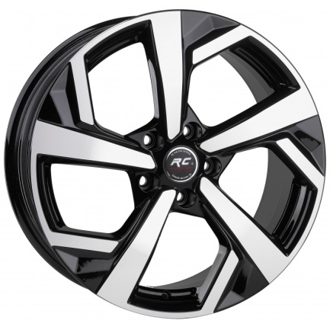 | KOD | BRAND | BRAND KOD | İNCH | PCD | ET | COLOR | CH | STOK/STOCK
 | Jİ 17 5X114 044 | TRUVA | 169 | 7.0X17 | 5X114.3 | 41 | BF | 73.1 | 3
 | Jİ 17 5X114 072 | TRUVA | 169 | 7.0X17 | 5X114.3 | 41 | BF | 66.1 | #N/A
 | Jİ 17 5X114 065 | TRUVA | 169 | 7.0X17 | 5X114.3 | 41 | BLACK | 66.1 | #N/A
 | Jİ 18 5X114 093 | TRUVA | 156 | 8.0X18 | 5X114.3 | 41 | BF | 66.1 | #N/A
 | Jİ 18 5X112 084 | TRUVA | 156 | 8.0X18 | 5X114.3 | 41 | BLACK | 66.1 | #N/A
 | Jİ 18 5X114 055 | TRUVA | 156 | 8.0X18 | 5X114.3 | 41 | BF | 73.1 | #N/A
 | Jİ 17 5X114 088 | TRUVA | 169 | 7.0X17 | 5X114.3 | 41 | SILVER | 73.1 | #N/A

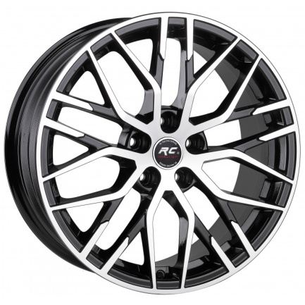 | KOD | BRAND | BRAND KOD | İNCH | PCD | ET | COLOR | CH | STOK/STOCK
 | Jİ 18 5X112 250 | TRUVA | 170 | 8.0X18 | 5X112 | 35 | BF | 66.45 | 0
 | Jİ 18 5X112 251 | TRUVA | 170 | 8.0X18 | 5X112 | 35 | GMF | 66.45 | 2
 | Jİ 18 5X112 293 | TRUVA | 170 | 8.0X18 | 5X112 | 35 | BLACK | 66.45 | #N/A
 | Jİ 18 5X112 403 | TRUVA | 170 | 8.0X18 | 5X112 | 35 | GMF | 66.45 | #N/A
 | Jİ 18 5X112 459 | TRUVA | 170 | 8.0X18 | 5X112 | 43 | BLACK | 66.45 | #N/A

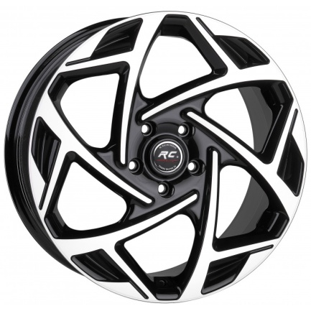 | KOD | BRAND | BRAND KOD | İNCH | PCD | ET | COLOR | CH | STOK/STOCK
 | Jİ 19 5X112 175 | TRUVA | 171 | 8.0X19 | 5X112 | 45 | GMF | 73.1 | 4
 | Jİ 19 5X120 198 | TRUVA | 171 | 8.0X19 | 5X120 | 45 | BF | 67.1 | 4
 | Jİ 19 5X115 003 | TRUVA | 171 | 8.0X19 | 5X115 | 45 | BF | 67.1 | #N/A
 | Jİ 18 5X110 009 | TRUVA | 172 | 8.0X18 | 5X110 | 45 | GMF | 73.1 | 2
 | Jİ 18 5X105 018 | TRUVA | 172 | 8.0X18 | 5X105 | 45 | BF | 56.6 | 24
 | Jİ 18 5X115 005 | TRUVA | 172 | 8.0X18 | 5X115 | 45 | BF | 73.1 | #N/A
 | Jİ 18 5X120 213 | TRUVA | 172 | 8.0X18 | 5X120 | 45 | BF | 67.1 | 0
 | Jİ 18 5X110 007 | TRUVA | 172 | 8.0X18 | 5X110 | 45 | BF | 73.1 | #N/A
 | Jİ 18 5X105 017 | TRUVA | 172 | 8.0X18 | 5X105 | 45 | GMF | 56.6 | #N/A
 | Jİ 17 4X100 108 | TRUVA | 175 | 7.5X17 | 4X100 | 35 | BF | 67.1 | 0
 | Jİ 17 5X120 166 | TRUVA | 175 | 7.5X17 | 5x120 | 35 | BF | 67.1 | #N/A
 | Jİ 17 5X115 001 | TRUVA | 175 | 7.5X17 | 5X115 | 35 | BF | 67.1 | #N/A
 | Jİ 19 5X105 003 | TRUVA | 171 | 8.0X19 | 5X105 | 45 | BF | 56.6 | #N/A
 | Jİ 18 5X120 214 | TRUVA | 172 | 8.0X18 | 5X120 | 45 | GMF | 67.1 | 0
 | Jİ 19 5X120 199 | TRUVA | 171 | 8.0X19 | 5X120 | 45 | GMF | 67.1 | #N/A
 | Jİ 17 5X105 012 | TRUVA | 175 | 7.5X17 | 5X105 | 35 | BF | 56.6 | 0
 | Jİ 17 5X115 003 | TRUVA | 175 | 7.5X17 | 5X115 | 35 | BF | 70.2 | 0
 | Jİ 17 5X110 008 | TRUVA | 175 | 7.5X17 | 5110 | 35 | BF | 73.1 | #N/A
 | Jİ 19 5X115 004 | TRUVA | 171 | 8.0X19 | 5115 | 45 | BF | 70.2 | 0
 |  |  |  |  |  |  |  |  | #N/A

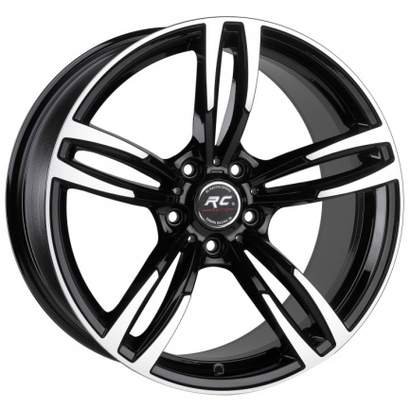 | KOD | BRAND | BRAND KOD | İNCH | PCD | ET | COLOR | CH | STOK/STOCK
 | Jİ 19 5X120 220 | TRUVA | 177 | 8.5X19 | 5X120 | 37 | GMF | 72.6 | #N/A
 | Jİ 19 5X120 221 | TRUVA | 178 | 9.5X19 | 5X120 | 40 | GMF | 72.6 | #N/A
 | Jİ 19 5X120 201 | TRUVA | 178 | 9.5X19 | 5X120 | 40 | BF | 72.6 | 0
 | Jİ 19 5X120 200 | TRUVA | 177 | 8.5X19 | 5X120 | 37 | BF | 72.6 | 0

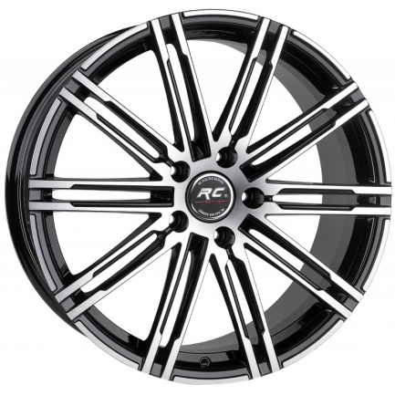 | KOD | BRAND | BRAND KOD | İNCH | PCD | ET | COLOR | CH | STOK/STOCK
 | Jİ 20 5X130 009 | TRUVA | 179 | 9.5X20 | 5X130 | 60 | BF | 71.6 | #N/A
 | Jİ 20 5X130 014 | TRUVA | 180 | 11X20 | 5X130 | 68 | BF | 71.6 | #N/A
 | Jİ 20 5X130 017 | TRUVA | 180 | 11X20 | 5X130 | 68 | GMF | 71.6 | 1
 | Jİ 21 5X130 015 | TRUVA | 181 | 10X21 | 5X130 | 50 | BF | 71.6 | #N/A
 | Jİ 21 5X130 014 | TRUVA | 181 | 10X21 | 5X130 | 55 | GMF | 71.6 | #N/A

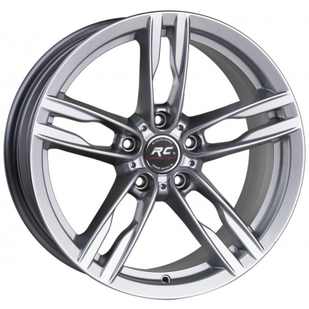 | KOD | BRAND | BRAND KOD | İNCH | PCD | ET | COLOR | CH | STOK/STOCK
 | Jİ 19 5X120 214 | TRUVA | 182 | 8.5X19 | 5X120 | 33 | BLACK | 72.6 | #N/A
 | Jİ 19 5X120 212 | TRUVA | 182 | 8.5X19 | 5X120 | 33 | SILVER | 72.6 | #N/A
 | Jİ 19 5X120 215 | TRUVA | 183 | 9.5X19 | 5X120 | 37 | BLACK | 72.6 | #N/A
 | Jİ 19 5X120 213 | TRUVA | 183 | 9.5X19 | 5X120 | 37 | SILVER | 72.6 | 0
 | Jİ 19 5X120 242 | TRUVA | 182 | 8.5X19 | 5X120 | 33 | GM | 72.6 | 3
 | Jİ 19 5X120 243 | TRUVA | 183 | 9.5X19 | 5X120 | 37 | GM | 72.6 | 1

 | KOD | BRAND | BRAND KOD | İNCH | PCD | ET | COLOR | CH | STOK/STOCK
 | Jİ 20 5X120 088 | TRUVA | 184 | 8.5X20 | 5X120 | 33 | BLACK | 72.6 | 1
 | Jİ 20 5X120 095 | TRUVA | 184 | 8.5X20 | 5X120 | 33 | GM | 72.6 | 6
 | Jİ 20 5X120 081 | TRUVA | 184 | 8.5X20 | 5X120 | 33 | SILVER | 72.6 | 8
 | Jİ 20 5X120 089 | TRUVA | 185 | 9.5X20 | 5X120 | 37 | BLACK | 72.6 | #N/A
 | Jİ 20 5X120 096 | TRUVA | 185 | 9.5X20 | 5X120 | 37 | GM | 72.6 | 5
 | Jİ 20 5X120 082 | TRUVA | 185 | 9.5X20 | 5X120 | 37 | SILVER | 72.6 | 4

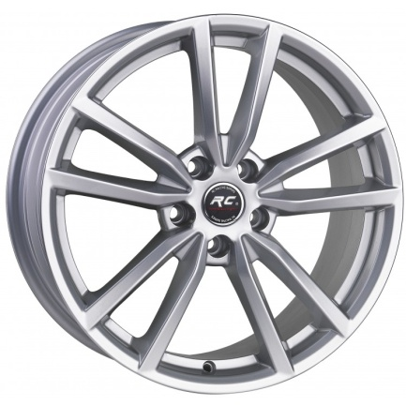 | KOD | BRAND | BRAND KOD | İNCH | PCD | ET | COLOR | CH | STOK/STOCK
 | Jİ 18 5X112 266 | TRUVA | 186 | 8.0X18 | 5X112 | 40 | BLACK | 57.1 | #N/A
 | Jİ 18 5X112 265 | TRUVA | 186 | 8.0X18 | 5X112 | 40 | GM | 57.1 | #N/A
 | Jİ 18 5X112 258 | TRUVA | 186 | 8.0X18 | 5X112 | 40 | SILVER | 57.1 | #N/A
 | Jİ 18 5X112 454 | TRUVA | 186 | 8.0X18 | 5X112 | 45 | GM | 57.1 | 0
 | Jİ 18 5X112 473 | TRUVA | 186 | 8.0X18 | 5X112 | 45 | SILVER | 57.1 | 40+
 | Jİ 18 5X112 451 | TRUVA | 186 | 8.0X18 | 5X112 | 45 | BLACK | 57.1 | 0

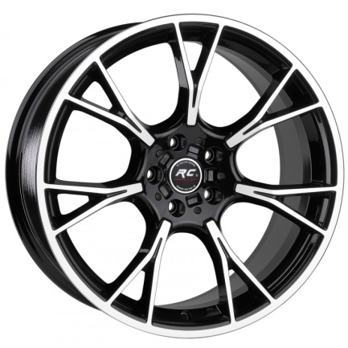 | KOD | BRAND | BRAND KOD | İNCH | PCD | ET | COLOR | CH | STOK/STOCK
 | Jİ 19 5X120 218 | TRUVA | 189 | 8.5X19 | 5X120 | 30 | GMF | 72.6 | #N/A
 | Jİ 19 5X120 216 | TRUVA | 189 | 8.5X19 | 5X120 | 30 | BF | 72.6 | #N/A
 | Jİ 19 5X120 217 | TRUVA | 190 | 9.5X19 | 5X120 | 37 | BF | 72.6 | 1
 | Jİ 19 5X120 219 | TRUVA | 190 | 9.5X19 | 5X120 | 37 | GMF | 72.6 | #N/A
 | Jİ 19 5X112 194 | TRUVA | 190 | 9.5X19 | 5X112 | 37 | BF | 66.6 | 3
 | Jİ 19 5X112 193 | TRUVA | 189 | 8.5X19 | 5X112 | 30 | BF | 66.6 | 0
 | Jİ 19 5X112 195 | TRUVA | 189 | 8.5X19 | 5X112 | 30 | GMF | 66.6 | 4
 | Jİ 19 5X112 196 | TRUVA | 190 | 9.5X19 | 5X112 | 37 | GMF | 66.6 | 4

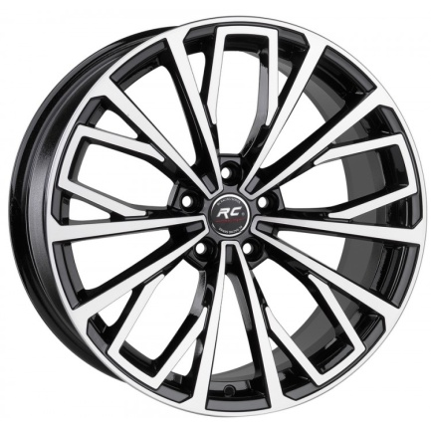 | KOD | BRAND | BRAND KOD | İNCH | PCD | ET | COLOR | CH | STOK/STOCK
 | Jİ 19 5X112 206 | TRUVA | 193 | 8.5X19 | 5X112 | 35 | BF | 66.45 | 39
 | Jİ 19 5X112 197 | TRUVA | 193 | 8.5X19 | 5X112 | 35 | GMF | 66.45 | 0
 | Jİ 19 5X112 295 | TRUVA | 193 | 8.5X19 | 5X112 | 35 | BLACK | 66.45 | #N/A
 | Jİ 19 5X112 394 | TRUVA | 193 | 8.5X19 | 5X112 | 35 | S | 66.45 | #N/A

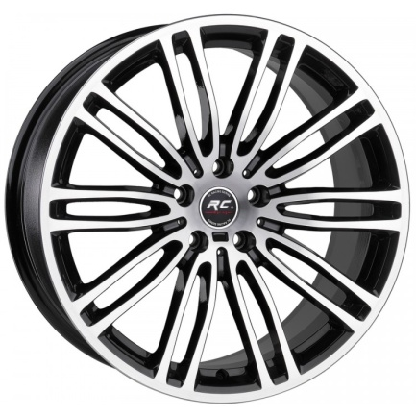 | KOD | BRAND | BRAND KOD | İNCH | PCD | ET | COLOR | CH | STOK/STOCK
 | Jİ 19 5X120 228 | TRUVA | 194 | 8.5X19 | 5X120 | 30 | BF | 72.6 | #N/A
 | Jİ 19 5X120 278 | TRUVA | 194 | 8.5X19 | 5X120 | 30 | GMF | 72.6 | #N/A
 | Jİ 19 5X120 229 | TRUVA | 195 | 9.5X19 | 5X120 | 40 | BF | 72.6 | #N/A
 | Jİ 19 5X120 279 | TRUVA | 195 | 9.5X19 | 5X120 | 40 | GMF | 72.6 | #N/A
 | Jİ 19 5X112 208 | TRUVA | 194 | 8.5X19 | 5X112 | 30 | BF | 66.6 | #N/A
 | Jİ 19 5X112 209 | TRUVA | 195 | 9.5X19 | 5X112 | 40 | BF | 66.6 | #N/A

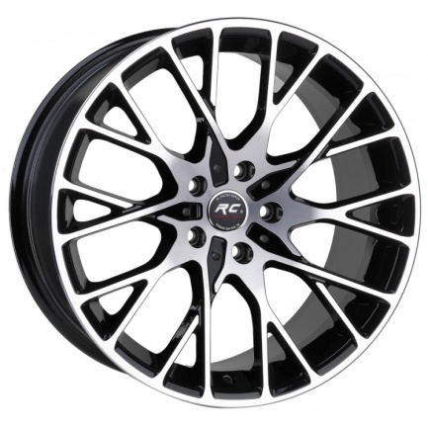 | KOD | BRAND | BRAND KOD | İNCH | PCD | ET | COLOR | CH | STOK/STOCK
 | Jİ 19 5X112 212 | TRUVA | 196 | 8.5X19 | 5X112 | 30 | BF | 66.6 | 1
 | Jİ 19 5X112 316 | TRUVA | 196 | 8.5X19 | 5X112 | 30 | MGF | 66.6 | #N/A
 | Jİ 19 5X112 213 | TRUVA | 197 | 9.5X19 | 5X112 | 40 | BF | 66.6 | 2
 | Jİ 19 5X112 317 | TRUVA | 197 | 9.5X19 | 5X112 | 40 | GMF | 66.6 | #N/A
 | Jİ 18 5X112 367 | TRUVA | 203 | 8.0X18 | 5X112 | 30 | BF | 66.6 | 1
 | Jİ 18 5X120 044 | TRUVA | 203 | 8.0X18 | 5X120 | 30 | BF | 72.6 | #N/A
 | Jİ 18 5X112 368 | TRUVA | 204 | 9.0X18 | 5X112 | 40 | BF | 66.6 | 4
 | Jİ 18 5X120 055 | TRUVA | 204 | 9.0X18 | 5X120 | 40 | BF | 72.6 | 3
 | Jİ 19 5X120 290 | TRUVA | 196 | 8.5X19 | 5X120 | 30 | BLACK | 72.6 | #N/A
 | Jİ 19 5X120 291 | TRUVA | 197 | 9.5X19 | 5X120 | 40 | BLACK | 72.6 | #N/A
 | Jİ 19 5X120 238 | TRUVA | 196 | 8.5X19 | 5X120 | 30 | BF | 72.6 | #N/A
 | Jİ 19 5X120 239 | TRUVA | 197 | 9.5X19 | 5X120 | 40 | BF | 72.6 | 2
 | Jİ 19 5X120 240 | TRUVA | 196 | 8.5X19 | 5X120 | 30 | GMF | 72.6 | #N/A
 | Jİ 19 5X120 241 | TRUVA | 197 | 9.5X19 | 5X120 | 40 | GMF | 72.6 | #N/A

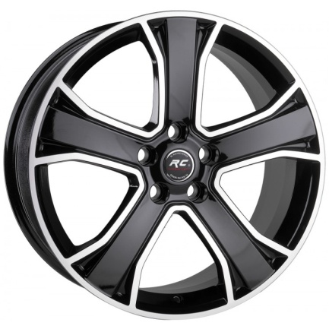 | KOD | BRAND | BRAND KOD | İNCH | PCD | ET | COLOR | CH | STOK/STOCK
 | Jİ 20 5X120 090 | TRUVA | 199 | 9.5X20 | 5X120 | 49 | BF | 72.6 | #N/A
 | Jİ 20 5X120 091 | TRUVA | 199 | 9.5X20 | 5X120 | 49 | GMF | 72.6 | #N/A

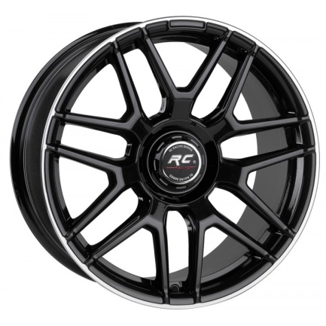 | KOD | BRAND | BRAND KOD | İNCH | PCD | ET | COLOR | CH | STOK/STOCK
 | Jİ 19 5X112 220 | TRUVA | 212 | 8.5X19 | 5X112 | 38 | BLACK | 66.6 | #N/A
 | Jİ 19 5X112 289 | TRUVA | 212 | 8.5X19 | 5X112 | 38 | MATT BLP | 66.6 | 2
 | Jİ 19 5X112 221 | TRUVA | 213 | 9.5X19 | 5X112 | 48 | BLACK | 66.6 | #N/A
 | Jİ 19 5X112 290 | TRUVA | 213 | 9.5X19 | 5X112 | 48 | MATT BLP | 66.6 | 2
 | Jİ 19 5X112 353 | TRUVA | 213 | 9.5X19 | 5X112 | 48 | BLP | 66.6 | 4
 | Jİ 19 5X112 352 | TRUVA | 212 | 8.5X19 | 5X112 | 38 | BLP | 66.6 | 4
 | Jİ 19 5X112 425 | TRUVA | 213 | 9.5X19 | 5X112 | 48 | BF | 66.6 | #N/A
 | Jİ 19 5X112 365 | TRUVA | 212 | 8.5X19 | 5X112 | 38 | BF | 66.6 | #N/A

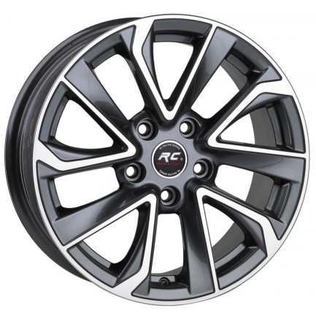 | KOD | BRAND | BRAND KOD | İNCH | PCD | ET | COLOR | CH | STOK/STOCK
 | Jİ 16 5X114 080 | TRUVA | 220 | 6.5X16 | 5X114.3 | 35 | GMF | 60.1 | #N/A

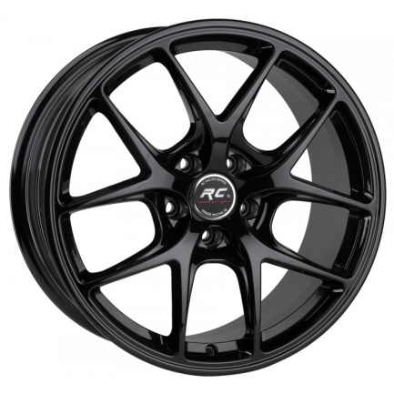 | KOD | BRAND | BRAND KOD | İNCH | PCD | ET | COLOR | CH | STOK/STOCK
 | Jİ 18 5X120 273 | TRUVA | 228 | 8.0X18 | 5X120 | 35 | GM | 72.6 | #N/A
 | Jİ 18 5X120 275 | TRUVA | 228 | 8.0X18 | 5X120 | 35 | MATTBLACK | 72.6 | #N/A
 | Jİ 18 5X120 243 | TRUVA | 228 | 8.0X18 | 5X120 | 35 | MATTGM | 72.6 | #N/A
 | Jİ 18 5X120 277 | TRUVA | 228 | 8.0X18 | 5X120 | 35 | SILVER | 72.6 | #N/A
 | Jİ 18 5X112 311 | TRUVA | 228 | 8.0X18 | 5X112 | 35 | BLACK | 72.6 | #N/A
 | Jİ 18 5X112 479 | TRUVA | 228 | 8.0X18 | 5X112 | 35 | MATTBLACK | 73.1 | 1
 | Jİ 18 5X114 082 | TRUVA | 228 | 8.0X18 | 5X114.3 | 35 | SILVER | 73.1 | #N/A
 | Jİ 18 5X114 098 | TRUVA | 228 | 8.0X18 | 5X114.3 | 35 | GM | 73.1 | 2
 | Jİ 18 5X114 099 | TRUVA | 229 | 9.0X18 | 5X114.3 | 40 | GM | 73.1 | 2
 | Jİ 18 5X120 274 | TRUVA | 229 | 9.0X18 | 5X120 | 40 | GM | 72.6 | #N/A
 | Jİ 18 5X120 276 | TRUVA | 229 | 9.0X18 | 5X120 | 40 | MATTBLACK | 72.6 | #N/A
 | Jİ 18 5X120 244 | TRUVA | 229 | 9.0X18 | 5X120 | 40 | MATTGM | 72.6 | #N/A
 | Jİ 18 5X120 278 | TRUVA | 229 | 9.0X18 | 5X120 | 40 | SILVER | 72.6 | #N/A
 | Jİ 18 5X120 246 | TRUVA | 229 | 9.0X18 | 5X120 | 40 | BLACK | 72.6 | #N/A
 | Jİ 18 5X112 480 | TRUVA | 229 | 9.0X18 | 5X112 | 40 | MATTBLACK | 73.1 | 1
 | Jİ 18 5X112 313 | TRUVA | 228 | 8.0X18 | 5X112 | 35 | MATTGM | 73.1 | #N/A
 | Jİ 18 5X112 314 | TRUVA | 229 | 9.0X18 | 5X112 | 40 | MATTGM | 73.1 | #N/A
 | Jİ 18 5X114 083 | TRUVA | 229 | 9.0X18 | 5X114.3 | 40 | SILVER | 73.1 | #N/A

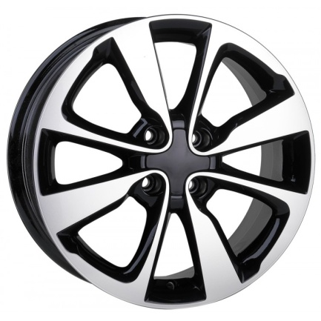 | KOD | BRAND | BRAND KOD | İNCH | PCD | ET | COLOR | CH | STOK/STOCK
 | Jİ 16 4X100 124 | TRUVA | 233 | 6.5X16 | 4X100 | 35 | BF | 54.1 | 28
 | Jİ 16 4X100 125 | TRUVA | 233 | 6.5X16 | 4X100 | 35 | GMF | 54.1 | #N/A

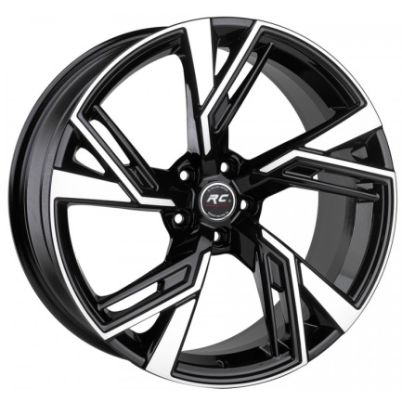 | KOD | BRAND | BRAND KOD | İNCH | PCD | ET | COLOR | CH | STOK/STOCK
 | Jİ 18 5X112 315 | TRUVA | 240 | 8.0X18 | 5X112 | 35 | BF | 66.45 | 13
 | Jİ 19 5X112 329 | TRUVA | 281 | 9.0X19 | 5X112 | 35 | BF | 66.45 | 0
 | Jİ 19 5X112 330 | TRUVA | 281 | 9.0X19 | 5X112 | 35 | GMF | 66.45 | #N/A
 | Jİ 19 5X112 333 | TRUVA | 281 | 9.0X19 | 5X112 | 35 | SF | 66.45 | #N/A
 | Jİ 20 5X112 084 | TRUVA | 277 | 9.0X20 | 5X112 | 35 | BF | 66.45 | 12
 | Jİ 20 5X112 086 | TRUVA | 277 | 9.0X20 | 5X112 | 35 | GMF | 66.45 | 1
 | Jİ 20 5X112 085 | TRUVA | 277 | 9.0X20 | 5X112 | 35 | MATT BF | 66.45 | #N/A
 | Jİ 20 5X112 094 | TRUVA | 277 | 9.0X20 | 5X112 | 35 | SF | 66.45 | #N/A
 | Jİ 20 5X112 093 | TRUVA | 277 | 9.0X20 | 5X112 | 35 | BLACK | 66.45 | #N/A
 | Jİ 20 5X112 112 | TRUVA | 277 | 9.0X20 | 5X112 | 35 | S | 66.45 | 4
 | Jİ 18 5X112 375 | TRUVA | 240 | 8.0X18 | 5X112 | 35 | BLACK | 66.45 | #N/A
 | Jİ 18 5X112 316 | TRUVA | 240 | 8.0X18 | 5X112 | 35 | GMF | 66.45 | 8
 | Jİ 18 5X112 317 | TRUVA | 240 | 8.0X18 | 5X112 | 35 | SİLVER | 66.45 | #N/A
 |  |  |  |  |  |  |  |  | #N/A

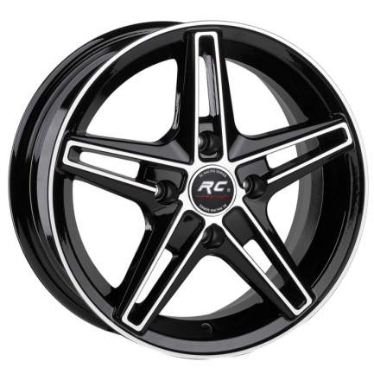 | KOD | BRAND | BRAND KOD | İNCH | PCD | ET | COLOR | CH | STOK/STOCK
 | Jİ 14 4X100 446 | TRUVA | 241 | 6.0X14 | 4X100 | 35 | BF | 67.1 | #N/A
 | Jİ 14 4X108 104 | TRUVA | 241 | 6.0X14 | 4X108 | 35 | BF | 67.1 | #N/A
 | Jİ 14 4X100 447 | TRUVA | 241 | 6.0X14 | 4X100 | 35 | GMF | 67.1 | #N/A
 | Jİ 14 4X108 105 | TRUVA | 241 | 6.0X14 | 4X108 | 35 | GMF | 67.1 | 3
 | Jİ 14 4X100 445 | TRUVA | 241 | 6.0X14 | 4X100 | 35 | SF | 67.1 | 14
 | Jİ 14 4X108 106 | TRUVA | 241 | 6.0X14 | 4X108 | 35 | SF | 67.1 | #N/A

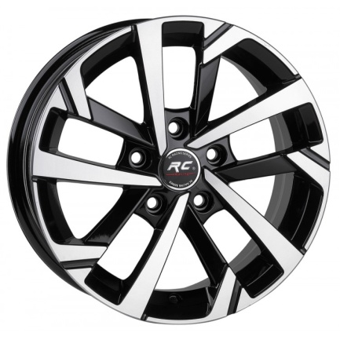 | KOD | BRAND | BRAND KOD | İNCH | PCD | ET | COLOR | CH | STOK/STOCK
 | Jİ 15 5X100 083 | TRUVA | 244 | 6.5X15 | 5X100 | 35 | SF | 57.1 | #N/A
 | Jİ 15 5X112 107 | TRUVA | 244 | 6.5X15 | 5X112 | 35 | BF | 57.1 | #N/A
 | Jİ 15 5X112 108 | TRUVA | 244 | 6.5X15 | 5X112 | 35 | GMF | 57.1 | #N/A
 | Jİ 15 5X112 109 | TRUVA | 244 | 6.5X15 | 5X112 | 35 | SF | 57.1 | #N/A
 | Jİ 15 5X100 079 | TRUVA | 244 | 6.5X15 | 5X100 | 35 | BF | 57.1 | 0
 | Jİ 15 5X100 082 | TRUVA | 244 | 6.5X15 | 5X100 | 35 | GMF | 57.1 | #N/A

 | KOD | BRAND | BRAND KOD | İNCH | PCD | ET | COLOR | CH | STOK/STOCK
 | Jİ 17 5X112 153 | TRUVA | 251 | 7.5X17 | 5X112 | 40 | SILVER | 57.1 | #N/A
 | Jİ 17 5X100 087 | TRUVA | 251 | 7.5X17 | 5X112 | 40 | SILVER | 57.1 | #N/A
 | Jİ 17 5X112 156 | TRUVA | 251 | 7.5X17 | 5X112 | 35 | BLACK | 57.1 | #N/A
 | Jİ 17 5X112 178 | TRUVA | 251 | 7.5X17 | 5X112 | 35 | GM | 57.1 | #N/A
 | Jİ 17 5X100 111 | TRUVA | 251 | 7.5X17 | 5X100 | 35 | GM | 57.1 | #N/A
 | Jİ 17 5X100 110 | TRUVA | 251 | 7.5X17 | 5X100 | 35 | SILVER | 57.1 | 28
 | Jİ 17 5X100 128 | TRUVA | 251 | 7.5X17 | 5X100 | 35 | BLACK | 57.1 | #N/A
 | Jİ 17 5X112 189 | TRUVA | 251 | 7.5X17 | 5X112 | 35 | SILVER | 57.1 | 0

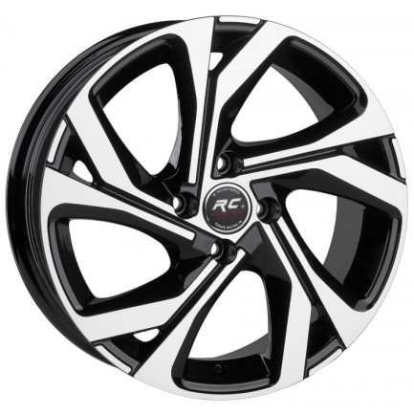 | KOD | BRAND | BRAND KOD | İNCH | PCD | ET | COLOR | CH | STOK/STOCK
 | Jİ 16 4X100 120 | TRUVA | 253 | 6.5X16 | 4X100 | 35 | BF | 67.1 | 0
 | Jİ 16 5X114 113 | TRUVA | 253 | 6.5X16 | 5X114.3 | 35 | GMF | 73.1 | #N/A
 | Jİ 16 5X114 107 | TRUVA | 253 | 6.5X16 | 5X114.3 | 35 | BF | 73.1 | 16
 | Jİ 16 4X100 126 | TRUVA | 253 | 6.5X16 | 4X100 | 35 | GMF | 67.1 | 1
 | Jİ 16 5X114 131 | TRUVA | 253 | 6.5X16 | 5X114.3 | 35 | BF | 66.1 | #N/A
 | Jİ 16 4X100 169 | TRUVA | 253 | 6.5X16 | 4X100 | 35 | BF | 60.1 | #N/A

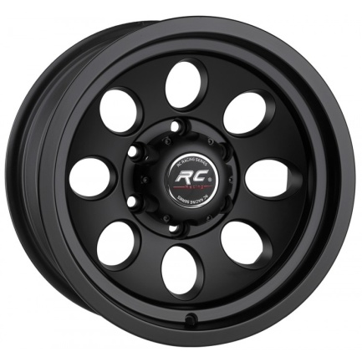 | KOD | BRAND | BRAND KOD | İNCH | PCD | ET | COLOR | CH | STOK/STOCK
 | Jİ 16 6X114 002 | TRUVA | 255 | 8.0X16 | 6X114.3 | -25 | MATTB | 66.1 | 24
 | Jİ 16 6X139 033 | TRUVA | 255 | 8.0X16 | 6X139,7 | -25 | MATTB | 110 | #N/A
 | Jİ 16 5X139 011 | TRUVA | 255 | 8.0X16 | 5X139,7 | -25 | MATTB | 110 | #N/A
 | Jİ 16 5X120 068 | TRUVA | 255 | 8.0X16 | 5X120 | -25 | MATTB | 73.1 | #N/A
 | Jİ 16 6X139 034 | TRUVA | 255 | 8.0X16 | 6X139.7 | -25 | SILVER | 110 | #N/A

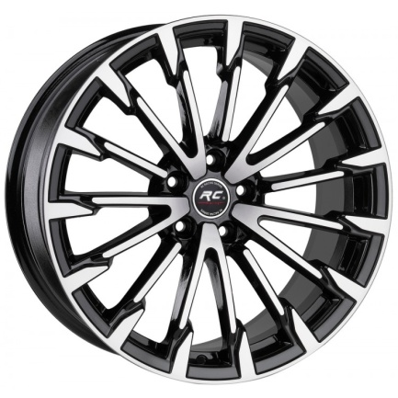 | KOD | BRAND | BRAND KOD | İNCH | PCD | ET | COLOR | CH | STOK/STOCK
 | Jİ 18 5X112 418 | TRUVA | 257 | 8.0X18 | 5X112 | 35 | BF | 66.45 | 0
 | Jİ 17 5X112 161 | TRUVA | 276 | 7.5X17 | 5X112 | 35 | BF | 66.45 | 4
 | Jİ 19 5X112 227 | TRUVA | 198 | 8.5X19 | 5X112 | 35 | BF | 66.45 | 32
 | Jİ 19 5X112 276 | TRUVA | 198 | 8.5X19 | 5X112 | 35 | BLACK | 66.45 | #N/A
 | Jİ 17 5X112 180 | TRUVA | 276 | 7.5X17 | 5X112 | 35 | GMF | 66.45 | #N/A
 | Jİ 18 5X112 419 | TRUVA | 257 | 8.0X18 | 5X112 | 35 | GMF | 66.45 | 1
 | Jİ 19 5X112 361 | TRUVA | 198 | 8.5X19 | 5X112 | 35 | S | 66.45 | #N/A
 | Jİ 19 5X112 214 | TRUVA | 198 | 8.5X19 | 5X112 | 35 | GMF | 66.45 | 3
 | Jİ 18 5X112 489 | TRUVA | 257 | 8.0X18 | 5X112 | 35 | BLACK | 66.45 | #N/A
 | Jİ 18 5X112 490 | TRUVA | 257 | 8.0X18 | 5X112 | 35 | S | 66.45 | #N/A
 | Jİ 17 5X100 129 | TRUVA | 276 | 8.0X18 | 5X100 | 35 | BF | 73.1 | 0
 | Jİ 17 5X105 024 | TRUVA | 276 | 8.0X18 | 5X105 | 35 | BF | 73.1 | 0

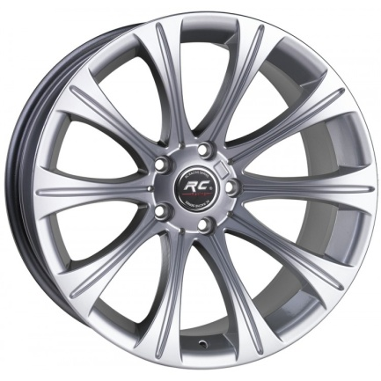 | KOD | BRAND | BRAND KOD | İNCH | PCD | ET | COLOR | CH | STOK/STOCK
 | Jİ 19 5X120 282 | TRUVA | 287 | 8.5X19 | 5X120 | 15 | BLACK | 74.1 | #N/A
 | Jİ 19 5X120 280 | TRUVA | 287 | 8.5X19 | 5X120 | 15 | GM | 74.1 | 1
 | Jİ 19 5X120 270 | TRUVA | 287 | 8.5X19 | 5X120 | 15 | SILVER | 74.1 | 0
 | Jİ 19 5X120 283 | TRUVA | 288 | 9.5X19 | 5X120 | 15 | BLACK | 74.1 | #N/A
 | Jİ 19 5X120 281 | TRUVA | 288 | 9.5X19 | 5X120 | 15 | GM | 74.1 | #N/A
 | Jİ 19 5X120 271 | TRUVA | 288 | 9.5X19 | 5X120 | 15 | SILVER | 74.1 | 8

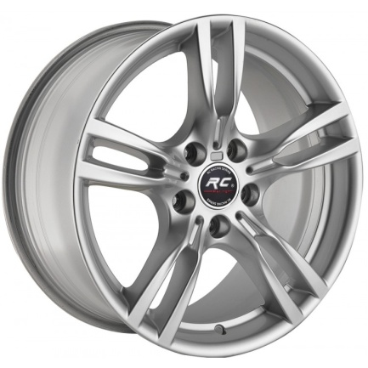 | KOD | BRAND | BRAND KOD | İNCH | PCD | ET | COLOR | CH | STOK/STOCK
 | Jİ 18 5X120 241 | TRUVA | 5003 | 8.0X18 | 5X120 | 38 | BLACK | 72.6 | 2
 | Jİ 18 5X120 194 | TRUVA | 5003 | 8.0X18 | 5X120 | 38 | SILVER | 72.6 | 1
 | Jİ 18 5X120 195 | TRUVA | 5003 | 9.0X18 | 5X120 | 50 | SILVER | 72.6 | 9
 | Jİ 18 5X120 242 | TRUVA | 5003 | 9.0X18 | 5X120 | 50 | BLACK | 72.6 | 1
 | Jİ 18 5X120 259 | TRUVA | 5003 | 8.0X18 | 5X120 | 38 | GM | 72.6 | #N/A
 | Jİ 18 5X120 260 | TRUVA | 5003 | 9.0X18 | 5X120 | 50 | GM | 72.6 | 2

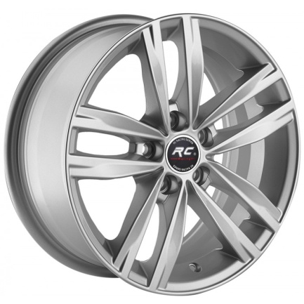 | KOD | BRAND | BRAND KOD | İNCH | PCD | ET | COLOR | CH | STOK/STOCK
 | Jİ 15 5X112 098 | TRUVA | 5037 | 6.5X15 | 5X112 | 35 | SILVER | 57.1 | 10
 | Jİ 15 5X100 069 | TRUVA | 5037 | 6.5X15 | 5X100 | 35 | SILVER | 57.1 | 0

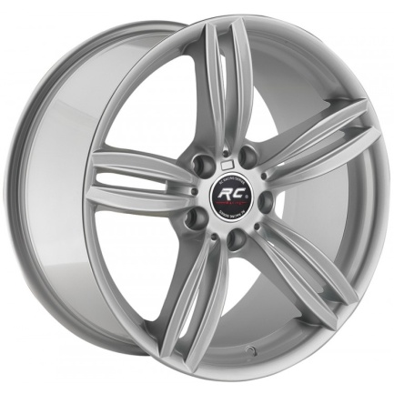 | KOD | BRAND | BRAND KOD | İNCH | PCD | ET | COLOR | CH | STOK/STOCK
 | Jİ 19 5X120 180 | TRUVA | 5065 | 8.5X19 | 5X120 | 33 | SILVER | 72.6 | 3
 | Jİ 19 5X120 181 | TRUVA | 5065 | 9.5X19 | 5X120 | 44 | SILVER | 72.6 | 0
 | Jİ 19 5X120 182 | TRUVA | 5065 | 8.5X19 | 5X120 | 33 | GM | 72.6 | #N/A
 | Jİ 19 5X120 183 | TRUVA | 5065 | 9.5X19 | 5X120 | 44 | GM | 72.6 | 1
 | Jİ 19 5X120 188 | TRUVA | 5065 | 8.5X19 | 5X120 | 33 | BLACK | 72.6 | 14
 | Jİ 19 5X120 189 | TRUVA | 5065 | 9.5X19 | 5X120 | 44 | BLACK | 72.6 | #N/A

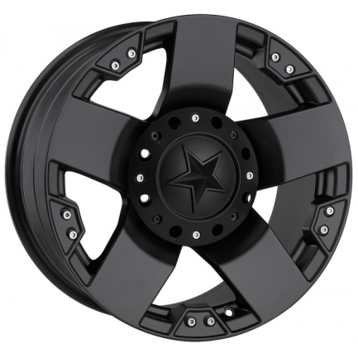 | KOD | BRAND | BRAND KOD | İNCH | PCD | ET | COLOR | CH | STOK/STOCK
 | Jİ 18 5X130 003 | TRUVA | 5187 | 9.0X18 | 5X130 | 15 | MATTBLACK | 84.1 | #N/A
 | Jİ 18 6X114 001 | TRUVA | 5187 | 9.0X18 | 6X114.3 | 15 | MATTBLACK | 73.1 | 2
 | Jİ 18 6X139 004 | TRUVA | 5187 | 9.0X18 | 6X139.7 | 15 | MATTBLACK | 110 | #N/A
 | Jİ 17 5X114 074 | TRUVA | 5187 | 9.0X17 | 5X114.3 | 15 | MATTBLACK | 73.1 | #N/A

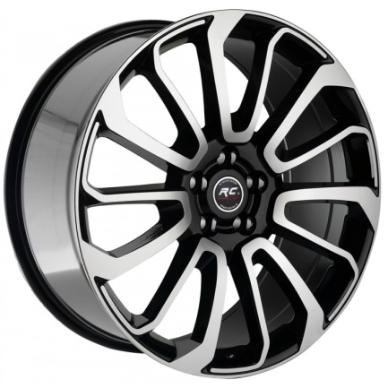 | KOD | BRAND | BRAND KOD | İNCH | PCD | ET | COLOR | CH | STOK/STOCK
 | Jİ 22 5X120 007 | TRUVA | 959 | 9.5X22 | 5X120 | 45 | GMF | 72.6 | #N/A
 | Jİ 22 5X120 008 | TRUVA | 959 | 9.5X22 | 5X120 | 45 | BF | 72.6 | 7
 | Jİ 22 5X120 009 | TRUVA | 959 | 9.5X22 | 5X120 | 45 | BLACK | 72.6 | #N/A

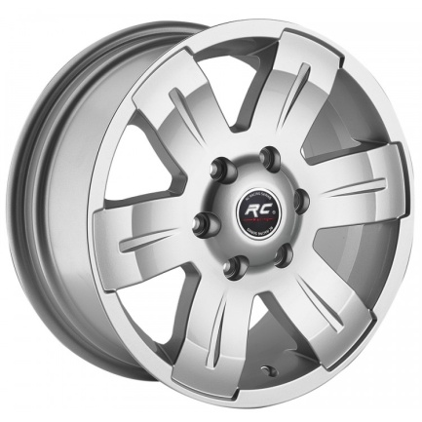 | KOD | BRAND | BRAND KOD | İNCH | PCD | ET | COLOR | CH | STOK/STOCK
 | Jİ 16 5X120 452 | TRUVA | 996 | 7.0X16 | 5X120 | 40 | SILVER | 65.1 | 14
 | Jİ 16 6X130 009 | TRUVA | 996 | 7.0X16 | 6X130 | 50 | SILVER | 84.1 | 8
 | Jİ 16 5X130 017 | TRUVA | 996 | 7.0X16 | 5X130 | 50 | SILVER | 78.1 | 8

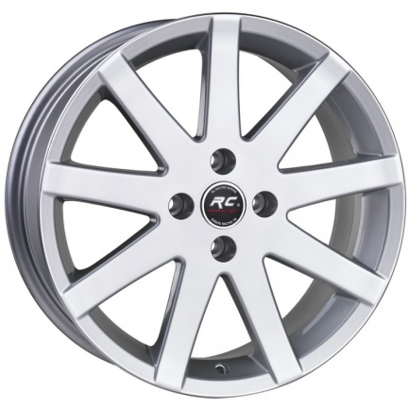 | KOD | BRAND | BRAND KOD | İNCH | PCD | ET | COLOR | CH | STOK/STOCK
 | Jİ 17 4X108 030 | TRUVA | 273 | 7.0X17 | 4X108 | 20 | SILVER | 65.1 | 0

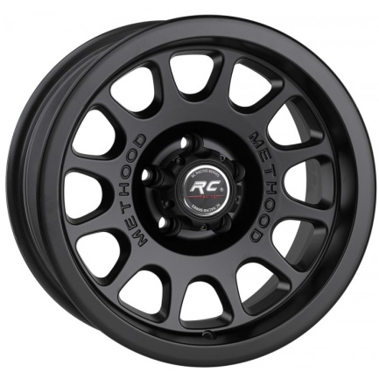 | KOD | BRAND | BRAND KOD | İNCH | PCD | ET | COLOR | CH | STOK/STOCK
 | Jİ 16 6X139 036 | TRUVA | 261 | 8.0X16 | 6X139.7 | -25 | MATTBLACK | 110 | #N/A
 | Jİ 16 5X120 067 | TRUVA | 261 | 8.0X16 | 5X120 | -25 | MATTBLACK | 73.1 | 4
 | Jİ 16 5X139 012 | TRUVA | 261 | 8.0X16 | 5X139.7 | -25 | MATTBLACK | 110 | #N/A
 | Jİ 16 6X139 037 | TRUVA | 261 | 8.0X16 | 6X139.7 | 0 | MATTBLACK | 106.1 | #N/A

 | KOD | BRAND | BRAND KOD | İNCH | PCD | ET | COLOR | CH | STOK/STOCK
 | Jİ 16 4X108 053 | TRUVA | 274 | 6.5X16 | 4X108 | 20 | SILVER | 65.1 | 8

 | KOD | BRAND | BRAND KOD | İNCH | PCD | ET | COLOR | CH | STOK/STOCK
 | Jİ 18 6X139 006 | TRUVA | 209 | 9.0X18 | 6X139.7 | 15 | MATTBLACK | 110 | #N/A
 | Jİ 18 5X120 281 | TRUVA | 209 | 9.0X18 | 5X120 | 15 | MATTBLACK | 73.1 | #N/A

 | KOD | BRAND | BRAND KOD | İNCH | PCD | ET | COLOR | CH | STOK/STOCK
 | Jİ 15 6X139 009 | TRUVA | 157 | 10X15 | 6X139.7 | -44 | MATTBLACK | 110 | 0
 | Jİ 15 5X139 008 | TRUVA | 157 | 10X15 | 5X139.7 | -44 | MATTBLACK | 110 | 16
 | Jİ 15 5X114 047 | TRUVA | 157 | 10X15 | 5X114.3 | -44 | MATTBLACK | 73.1 | 2

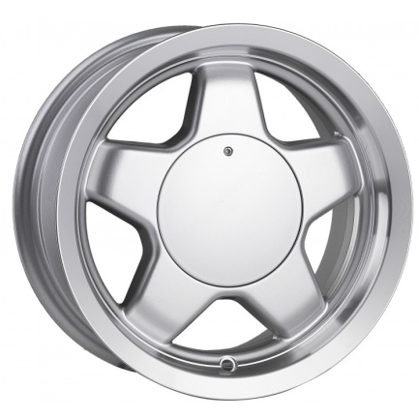 | KOD | BRAND | BRAND KOD | İNCH | PCD | ET | COLOR | CH | STOK/STOCK
 | Jİ 13 4X98 039 | TRUVA | 111 | 6.0X13 | 4X98 | 13 | SILVER | 58.6 | 40+

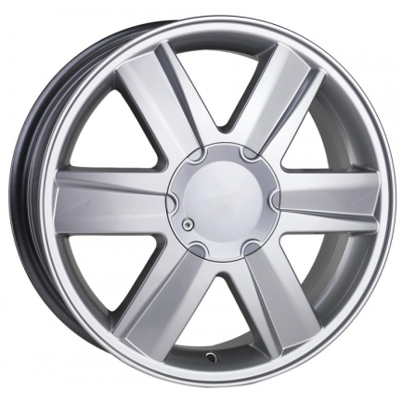 | KOD | BRAND | BRAND KOD | İNCH | PCD | ET | COLOR | CH | STOK/STOCK
 | Jİ 15 4X100 496 | TRUVA | 290 | 6.0X15 | 4X100 | 35 | SILVER | 60.1 | 0

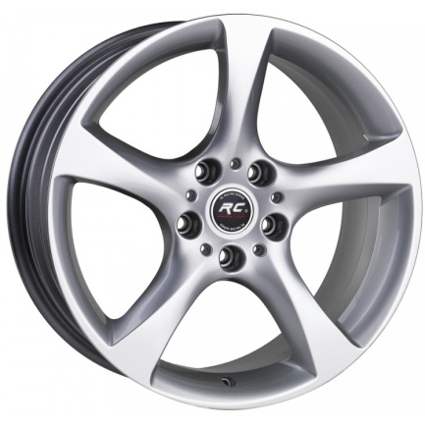 | KOD | BRAND | BRAND KOD | İNCH | PCD | ET | COLOR | CH | STOK/STOCK
 | Jİ 18 5X120 279 | TRUVA | 283 | 8.0X18 | 5X120 | 33 | SILVER | 72.6 | 1
 | Jİ 18 5X120 280 | TRUVA | 284 | 8.5X18 | 5X120 | 37 | SILVER | 72.6 | 0

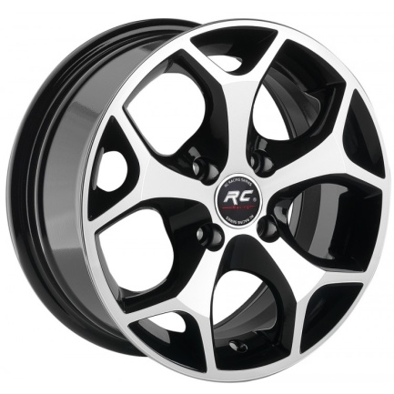 | KOD | BRAND | BRAND KOD | İNCH | PCD | ET | COLOR | CH | STOK/STOCK
 | Jİ 15 5X108 041 | TRUVA | 547 | 6.5X15 | 5108 | 35 | BF | 63.4 | 0
 | Jİ 15 5X100 088 | TRUVA | 547 | 6.5X15 | 5100 | 35 | BF | 57.1 | #N/A
 | Jİ 14 4X108 099 | TRUVA | 547 | 6X14 | 4108 | 35 | BF | 63.4 | #N/A
 | Jİ 15 5X108 037 | TRUVA | 547 | 6.5X15 | 5108 | 35 | GMF | 63.4 | 20
 | Jİ 15 4X100 432 | TRUVA | 547 | 6.5X15 | 4100 | 35 | BF | 67.1 | #N/A
 | Jİ 15 4X100 433 | TRUVA | 547 | 6.5X15 | 4100 | 35 | GMF | 67.1 | 3
 | Jİ 15 4X108 116 | TRUVA | 547 | 6.5X15 | 4108 | 35 | GMF | 63.4 | #N/A
 | Jİ 15 5X108 042 | TRUVA | 547 | 6.5X15 | 5108 | 35 | GMF | 67.1 | #N/A
 | Jİ 14 4X100 408 | TRUVA | 547 | 6X14 | 4100 | 35 | BF | 67.1 | #N/A
 | Jİ 14 4X108 123 | TRUVA | 547 | 6X14 | 4108 | 35 | SİLVER | 63.4 | #N/A
 | Jİ 15 4X108 148 | TRUVA | 547 | 6.5X15 | 4108 | 17 | BF | 63.4 | 0
 |  |  |  |  |  |  |  |  | #N/A

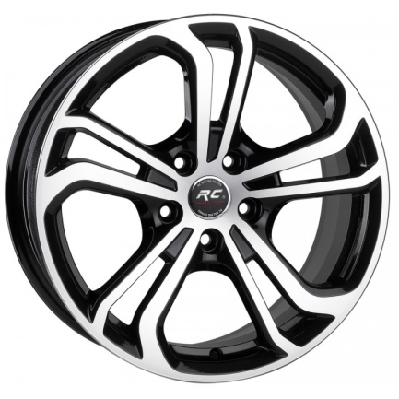 | KOD | BRAND | BRAND KOD | İNCH | PCD | ET | COLOR | CH | STOK/STOCK
 | Jİ 16 5X100 053 | TRUVA | 214 | 6.5X16 | 5X100 | 35 | BF | 57.1 | #N/A
 | Jİ 17 5X112 137 | TRUVA | 215 | 7.5X17 | 5X112 | 40 | BLACK | 57.1 | #N/A
 | Jİ 17 5X100 076 | TRUVA | 215 | 7.5X17 | 5X100 | 35 | BF | 57.1 | #N/A
 | Jİ 18 5X112 299 | TRUVA | 216 | 8.0X18 | 5X112 | 40 | GMF | 57.1 | 20
 | Jİ 17 5X112 135 | TRUVA | 215 | 7.5X17 | 5X112 | 40 | BF | 57.1 | 40+
 | Jİ 18 5X112 298 | TRUVA | 216 | 8.0X18 | 5X112 | 40 | BF | 57.1 | 11
 | Jİ 16 5X100 073 | TRUVA | 214 | 6.5X16 | 5X100 | 35 | BF | 66.45 | #N/A
 | Jİ 16 5X112 109 | TRUVA | 214 | 6.5X16 | 5X112 | 35 | BF | 57.1 | #N/A
 | Jİ 16 5X112 108 | TRUVA | 214 | 6.5X16 | 5X112 | 35 | BLACK | 57.1 | #N/A
 | Jİ 18 5X112 300 | TRUVA | 216 | 8.0X18 | 5X112 | 40 | BLACK | 57.1 | #N/A
 | Jİ 18 5X100 423 | TRUVA | 216 | 8.0X18 | 5X100 | 40 | BF | 57.1 | 4
 | Jİ 16 5X100 066 | TRUVA | 214 | 6.5X16 | 5X100 | 35 | GMF | 57.1 | #N/A
 | Jİ 16 5X112 144 | TRUVA | 214 | 6.5X16 | 5X112 | 35 | SILVER | 57.1 | 4

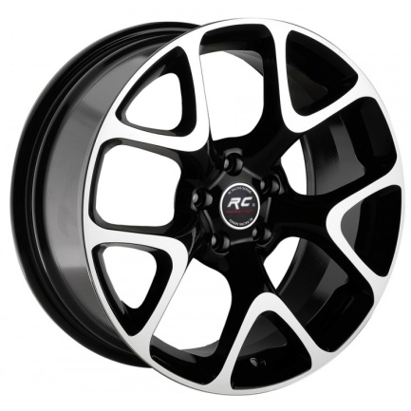 | KOD | BRAND | BRAND KOD | İNCH | PCD | ET | COLOR | CH | STOK/STOCK
 | Jİ 16 5X105 004 | TRUVA | 279 | 7.0X16 | 5X105 | 35 | BF | 56.6 | #N/A
 | Jİ 16 4X100 101 | TRUVA | 279 | 7.0X16 | 4X100 | 35 | GMF | 56.6 | #N/A
 | Jİ 17 4X100 089 | TRUVA | 279 | 7.5X17 | 4X100 | 35 | GMF | 67.1 | #N/A
 | Jİ 16 4X100 151 | TRUVA | 279 | 7.0X16 | 4X100 | 35 | BF | 67.1 | #N/A
 | Jİ 17 5X105 010 | TRUVA | 279 | 7.5X17 | 5X105 | 35 | BF | 56.6 | #N/A
 | Jİ 16 5X110 004 | TRUVA | 279 | 7.0X16 | 5X110 | 35 | BF | 65.1 | #N/A
 | Jİ 17 5X115 004 | TRUVA | 279 | 7.5X17 | 5X115 | 35 | GMF | 70.1 | #N/A

 | KOD | BRAND | BRAND KOD | İNCH | PCD | ET | COLOR | CH | STOK/STOCK
 | Jİ 17 6X139 009 | TRUVA | 259 | 9.0X17 | 6X139.7 | -30 | MATTBLACK | 110 | #N/A
 | Jİ 17 5X120 162 | TRUVA | 259 | 9.0X17 | 5X120 | 0 | MATTBLACK | 73.1 | #N/A
 | Jİ 17 5X127 004 | TRUVA | 259 | 9.0X17 | 5X127 | 0 | MATTBLACK | 71.6 | #N/A

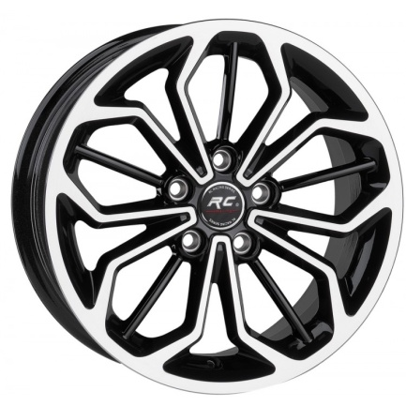 | KOD | BRAND | BRAND KOD | İNCH | PCD | ET | COLOR | CH | STOK/STOCK
 | Jİ 16 5X108 040 | TRUVA | 221 | 6.5X16 | 5X108 | 35 | GMF | 63.4 | #N/A
 | Jİ 16 5X108 041 | TRUVA | 221 | 6.5X16 | 5X108 | 35 | BF | 63.4 | 23

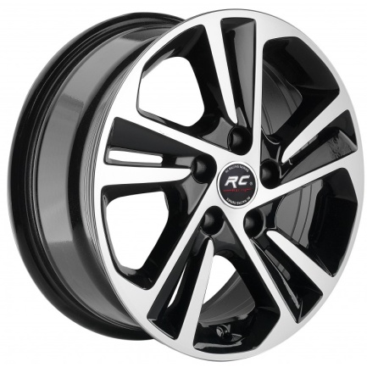 | KOD | BRAND | BRAND KOD | İNCH | PCD | ET | COLOR | CH | STOK/STOCK
 | Jİ 16 5X114 060 | TRUVA | 108 | 6.5X16 | 5X114.3 | 40 | BF | 67.1 | 2
 | Jİ 16 5X114 059 | TRUVA | 108 | 6.5X16 | 5X114.3 | 40 | GMF | 67.1 | #N/A

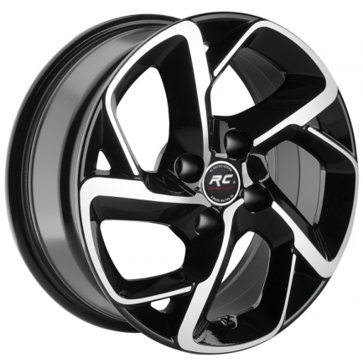 | KOD | BRAND | BRAND KOD | İNCH | PCD | ET | COLOR | CH | STOK/STOCK
 | Jİ 16 4X108 037 | TRUVA | 114 | 6.5X16 | 4X108 | 25 | GMF | 65.1 | #N/A
 | Jİ 16 4X108 036 | TRUVA | 114 | 6.5X16 | 4X108 | 25 | BF | 65.1 | 0

 | KOD | BRAND | BRAND KOD | İNCH | PCD | ET | COLOR | CH | STOK/STOCK
 | Jİ 16 5X98 014 | TRUVA | 119 | 6.5X16 | 5X98 | 39 | BF | 58.1 | 0
 | Jİ 16 5X98 022 | TRUVA | 119 | 6.5X16 | 5X98 | 39 | SILVER | 58.1 | #N/A

 | KOD | BRAND | BRAND KOD | İNCH | PCD | ET | COLOR | CH | STOK/STOCK
 | Jİ 14 4X100 464 | TRUVA | 133 | 6.0X14 | 4X100 | 35 | SILVER | 67.1 | 0
 | Jİ 14 4X100 409 | TRUVA | 133 | 6.0X14 | 4X100 | 35 | SILVER | 60.1 | #N/A

 | KOD | BRAND | BRAND KOD | İNCH | PCD | ET | COLOR | CH | STOK/STOCK
 | Jİ 19 5X108 011 | TRUVA | 207 | 8.5X19 | 5X108 | 45 | BF | 63.4 | #N/A

 | KOD | BRAND | BRAND KOD | İNCH | PCD | ET | COLOR | CH | STOK/STOCK
 | Jİ 18 5X112 309 | TRUVA | 223 | 8.0X18 | 5X112 | 43 | BF | 66.6 | #N/A
 | Jİ 18 5X112 310 | TRUVA | 224 | 9.0X18 | 5X112 | 49 | BF | 66.6 | 9
 | Jİ 19 5X112 225 | TRUVA | 225 | 8.5X19 | 5X112 | 38 | BF | 66.6 | 8
 | Jİ 19 5X112 226 | TRUVA | 226 | 9.5X19 | 5X112 | 48 | BF | 66.6 | 17

 | KOD | BRAND | BRAND KOD | İNCH | PCD | ET | COLOR | CH | STOK/STOCK
 | Jİ 18 5X112 296 | TRUVA | 227 | 8.0X18 | 5X112 | 35 | SILVER | 57.1 | 0
 | Jİ 18 5X112 357 | TRUVA | 227 | 8.0X18 | 5X112 | 35 | GM | 57.1 | 0
 | Jİ 18 5X112 297 | TRUVA | 227 | 8.0X18 | 5X112 | 35 | BLACK | 57.1 | 4
 | Jİ 18 5X112 474 | TRUVA | 227 | 8.0X18 | 5X112 | 40 | SILVER | 57.1 | #N/A
 | Jİ 18 5X112 472 | TRUVA | 227 | 8.0X18 | 5X112 | 40 | GM | 57.1 | #N/A

 | KOD | BRAND | BRAND KOD | İNCH | PCD | ET | COLOR | CH | STOK/STOCK
 | Jİ 16 5X98 021 | TRUVA | 252 | 6,5X16 | 5X98 | 35 | BF | 58.1 | 0
 | Jİ 15 5X98 004 | TRUVA | 258 | 6.5X15 | 5X98 | 35 | BF | 58.1 | 0

 | KOD | BRAND | BRAND KOD | İNCH | PCD | ET | COLOR | CH | STOK/STOCK
 | Jİ 15 4X108 144 | TRUVA | 275 | 6.5X15 | 4X108 | 20 | SILVER | 65.1 | 8

 | KOD | BRAND | BRAND KOD | İNCH | PCD | ET | COLOR | CH | STOK/STOCK
 | Jİ 16 4X100 141 | TRUVA | 291 | 6.5X16 | 4X100 | 45 | SILVER | 60.1 | 12

 | KOD | BRAND | BRAND KOD | İNCH | PCD | ET | COLOR | CH | STOK/STOCK
 | Jİ 15 4X108 027 | TRUVA | 448 | 6.5X15 | 4X108 | 17 | SILVER | 65.1 | 11
 | Jİ 16 4X108 034 | TRUVA | 448 | 6.5X16 | 4X108 | 17 | SILVER | 65.1 | 20
 | Jİ 17 4X108 024 | TRUVA | 448 | 7.0X17 | 4X108 | 20 | SILVER | 65.1 | 0

 | KOD | BRAND | BRAND KOD | İNCH | PCD | ET | COLOR | CH | STOK/STOCK
 | Jİ 15 4X100 460 | TRUVA | 236 | 6.5X15 | 4X100 | 35 | SILVER | 65.1 | #N/A
 | Jİ 15 4X100 509 | TRUVA | 236 | 6.5X15 | 4X100 | 45 | SILVER | 65.1 | 4

 | KOD | BRAND | BRAND KOD | İNCH | PCD | ET | COLOR | CH | STOK/STOCK
 | Jİ 16 4X100 133 | TRUVA | 289 | 6.5X16 | 4X100 | 49 | SILVER | 60.1 | 12

 | KOD | BRAND | BRAND KOD | İNCH | PCD | ET | COLOR | CH | STOK/STOCK
 | Jİ 18 5X114 077 | TRUVA | 249 | 8.0X18 | 5X114.3 | 45 | BF | 73.1 | 0

 | KOD | BRAND | BRAND KOD | İNCH | PCD | ET | COLOR | CH | STOK/STOCK
 | Jİ 14 4X100 465 | TRUVA | 267 | 6.0X14 | 4X100 | 40 | SILVER | 67.1 | 2
 | Jİ 15 4X100 497 | TRUVA | 266 | 6.5X15 | 4X100 | 35 | BF | 67.1 | 1
 | Jİ 14 4X108 117 | TRUVA | 267 | 6.0X14 | 4X108 | 35 | SF | 73.1 | #N/A
 | Jİ 14 4X100 469 | TRUVA | 267 | 6.0X14 | 4X100 | 35 | BF | 67.1 | #N/A
 | Jİ 14 4X100 466 | TRUVA | 267 | 6.0X14 | 4X100 | 35 | GMF | 67.1 | #N/A
 | Jİ 15 4X100 504 | TRUVA | 266 | 6.5X15 | 4X100 | 35 | SF | 67.1 | #N/A
 | Jİ 14 4X108 120 | TRUVA | 267 | 6.0X14 | 4X108 | 35 | GMF | 73.1 | #N/A
 | Jİ 15 4X108 147 | TRUVA | 266 | 6.5X15 | 4X108 | 35 | BF | 67.1 | #N/A
 | Jİ 15 4X108 149 | TRUVA | 266 | 6.5X15 | 4X108 | 35 | BF | 63.4 | #N/A
 | Jİ 15 4X100 542 | TRUVA | 266 | 6.5X15 | 4100 | 35 | SİLVER | 67.1 | #N/A
 |  |  |  |  |  |  |  |  | #N/A

 | KOD | BRAND | BRAND KOD | İNCH | PCD | ET | COLOR | CH | STOK/STOCK
 | Jİ 16 5X114 062 | TRUVA | 132 | 6.5X16 | 5X114.3 | 35 | SILVER | 60.1 | #N/A

 | KOD | BRAND | BRAND KOD | İNCH | PCD | ET | COLOR | CH | STOK/STOCK
 | Jİ 14 4X100 426 | TRUVA | 234 | 6.0X14 | 4X100 | 35 | BF | 67.1 | #N/A
 | Jİ 14 4X100 425 | TRUVA | 234 | 6.0X14 | 4X100 | 35 | GMF | 67.1 | 3
 | Jİ 14 4X108 119 | TRUVA | 234 | 6.0X14 | 4X108 | 35 | BF | 67.1 | #N/A

 | KOD | BRAND | BRAND KOD | İNCH | PCD | ET | COLOR | CH | STOK/STOCK
 | Jİ 15 4X100 465 | TRUVA | 235 | 6.5X15 | 4X100 | 35 | SILVER | 67.1 | 3
 | Jİ 15 4X108 129 | TRUVA | 235 | 6.5X15 | 4X108 | 35 | SILVER | 67.1 | #N/A
 | Jİ 15 4X100 466 | TRUVA | 235 | 6.5X15 | 4X100 | 35 | BF | 67.1 | 32

 | KOD | BRAND | BRAND KOD | İNCH | PCD | ET | COLOR | CH | STOK/STOCK
 | Jİ 14 4X100 455 | TRUVA | 239 | 6.0X14 | 4X100 | 35 | BF | 67.1 | 0
 | Jİ 14 4X108 115 | TRUVA | 239 | 6.0X14 | 4X108 | 35 | SILVER | 67.1 | #N/A
 | Jİ 14 4X100 463 | TRUVA | 239 | 6.0X14 | 4X100 | 35 | SILVER | 67.1 | #N/A
 | Jİ 14 4X100 462 | TRUVA | 239 | 6.0X14 | 4X100 | 35 | GMF | 67.1 | #N/A

 | KOD | BRAND | BRAND KOD | İNCH | PCD | ET | COLOR | CH | STOK/STOCK
 | Jİ 15 4X100 500 | TRUVA | 260 | 6.5X15 | 4X100 | 35 | BF | 67.1 | 40+
 | Jİ 14 4X100 458 | TRUVA | 264 | 6.0X14 | 4X100 | 35 | BF | 67.1 | 3
 | Jİ 15 4X108 146 | TRUVA | 260 | 6.5X15 | 4X108 | 35 | BF | 67.1 | #N/A
 | Jİ 14 4X100 460 | TRUVA | 264 | 6.0X14 | 4X100 | 35 | SILVER | 67.1 | 2
 | Jİ 15 4X100 501 | TRUVA | 260 | 6.5X15 | 4X100 | 35 | GMF | 67.1 | #N/A
...

